필독
1. 한글사용 금지 2. 공백 사용 금지 3.특수기호_로 통일 4. 게시글 이외 비틀리 사용 금지 |  |  |  | 5. 소스 , 메체, 캠페인 필수 6. 콘텐츠,키워드(선택_ 추가설명 필요할시 사용 디테일 작성 ( 메모 남기기 ) - 다른사람이 봐도 어떤콘텐츠인지 알아볼 수 있게(안써도됨) 7 통일성 유지 부탁 8. 웹사이트 url 맨 뒤에 / 붙일것 (http / https 인지 명확하게 구분해서 완벽하게 작성 / ex> https://taggers.io/ |  | 오타 조심

 |  |  |  |  |  | 초기 텍스트기간동안은 캠페인,소스,매체 공란으로 유지

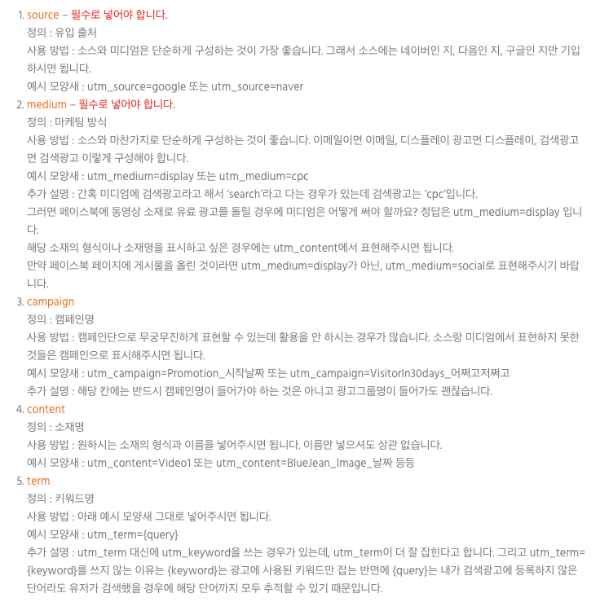
 | 소스* utm_source | 매체 utm_medium | 캠페인 utm_campaign | 콘텐츠 utm_content | 키워드 utm_term
 | 광고 채널 ex> naver, google | 방식 | 그외 활용하고 싶은데로 활용 추후 캠페인들과 이전 캠페인과 통일성 유지 필요 | 소재명 | {query} 통일
 |  | 검색광고 - cpc |  | 이미지 - image
 |  | 배너광고 - banner |  | 비디오 - video
 |  | 이메일 - email |  | 정기적 콘텐츠 - column
 |  | 블로그 - blog |  | 비정기적 콘텐츠 - text
 |  | sns 게시글 - social |  | 카드뉴스-cardnews
 |  | 페이스북 광고 - paid |  | 뉴스레터-newsletter
 |  | 구글 광고 - paid |  | 구매유도 - push
 |  |  |  | 필수 아님

 | 그 외에 알아서 알아볼수 있게만 작성 ex > utm_source=iboss&utm_meidum=banner

